1. Title Page
Sales Analysis

Project Name: Instacart Sales Analysis
Date: 7/21/2025
Analyst Name: Saloni Patel

Contents:
Population Flow
Consistency checks
Wrangling steps
Column derivations
Visualizations
Recommendations

2. Population Flow
Title page

Population flow

Exclusion flag
Condition: max_order < 5
Obervations to be removed: 1,440,341
Final total count : 30,964,518

Orders_products_combined
Orders_products_merged
Orders_products_all

Total: 32,404,859
Total: 32,434,489
Total: 32,404,859

1.) The grey boxes in the first row of the population flow represent the original data sets as they were when you downloaded them. In the Total fields you need to add the count of the rows when you imported the data set into Jupyter.
2.) The second row of boxes (coloured) represents the data sets after you manipulated them, e.g., removed missing values and duplicates. In the Total fields you need to add the count of the rows after conducting these operations. This offers a visual oveview of how the data flows throughout the data consistency checks.
3.) The third row, where also the arrows are coloured, represents the merges you performed between the datasets. In the Total fields you need to add the count of the rows in the merged datasets, so that you end up with the final dataset (in the red box). Keep in mind the final dataset should be without exclusions (based on the exclusion flag).

3. Consistency checks
 |  |  |  |  | Title page
Consistency checks

Dataset | Missing values | Missing values treatment | Duplicates | Duplicate values treatment
orders | 0 | Not applicable | 0 | Not applicable
products | 16 rows with missing 'product_name' | Exclusion | 5 | Removed duplicates
orders_products_prior | 0 | Not applicable | 0 | Not applicable
customers | 11,259 row with missing 'first_name' | first_name' is deleted to project customer privacy | 0 | Not applicable

4. Wrangling steps
 |  |  |  | Title page
Wrangling steps

Columns dropped | Columns renamed | Columns' type changed | Comment/Reason
customer['first_name'] |  |  | Data Privacy
customer['last_name'] |  |  | Data Privacy
 | customer['First Name' : 'first_name'] |  | To maintain data header format consistency
 | customer['Surnam' : 'last_name'] |  | To maintain data header format consistency
 | customer['Gender' : 'gender'] |  | To maintain data header format consistency
 | customer['STATE' : 'state'] |  | To maintain data header format consistency
 | customer['Age' : 'age'] |  | To maintain data header format consistency
 | customer['n_dependants' : 'dependents'] |  | To maintain data header format consistency
 | order['days_since_prior_order' : 'days_since_last_order'] |  | To maintain data header format consistency
 |  | orders['order_id'] : from int32 to string | These columns does not need to be statistically analysed
 |  | orders["user_id'] : from int32 to string | These columns does not need to be statistically analysed
 |  | customers['user_id'] : from int32 to string | These columns does not need to be statistically analysed
 |  | customers['age'] : from int3 to string | These columns does not need to be statistically analysed

5. Column derivations
 |  |  |  | Title page

Column derivations and aggregations

In this tab you should add tables below that the frequences of flags/label variables that you produced after deriving them. NB: don't do this for continuous variables, only for flags.
Dataset | New column | Column/s it was derived from | Conditions
orders_products_all | price_range' | prices' | If 'prices' > 15, then 'price_range' = 'High-range product', if 'prices' between 5 and 15, then 'price_range' = 'Mid-range product', if 'prices' < 5, then 'price_range' = 'Low-range product'
orders_products_merge | 'busiest_days’ | 'order_dow’ | If order placed on Saturday or Sunday, then flagged ‘Busiest days’. If order placed on Monday, Thursday or Friday, then flagged ‘Regularly busy’. If order placed on Tuesday or Wednesday, then flagged ‘Least busy days’.
orders_products_merge | 'busiest_period_of_day’ | 'order_hour_of_day’ | If order placed in six busiest hours, then flagged ‘Most orders’. If order placed in six least busy hours, then flagged ‘Fewest orders’. Else flagged ‘Average orders’.
 | activity_flag' | 'order_number’ | Return highest order number for each user. And if the order_count is <5 then rows were excluded
 | 'loyalty_flag’ | 'max_order’ | If number of orders in the top quartile (>40 orders) then flagged ‘Loyal customer’. If in the bottom quartile (≤15 orders) then flagged ‘New customer’. Else flagged ‘Regular customer’.
 | spending_flag’ | 'prices’ | If average 'prices' for 'user_id' < 10, then 'Low Spender', if >=10 then 'High Spender'
 | 'order_frequency_flag’ | 'days_since_prior_order’ | Returns the median number of days since a user's previous order for each user.
 | 'region’ | 'state’ | Returns the region associated with each State.
 | profile_id | user_id' | Assigns a category to each user_id based on age, income, dependents

6. Visualizations
Title page

Visualisations

In this tab you should include all the visualtions from Exercises 4.9 and 4.10, alongside the questions from the project brief that they answer. Include any commentary on the relationship between different variables.

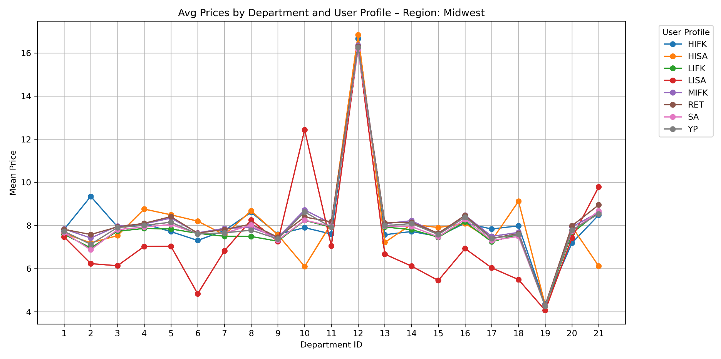
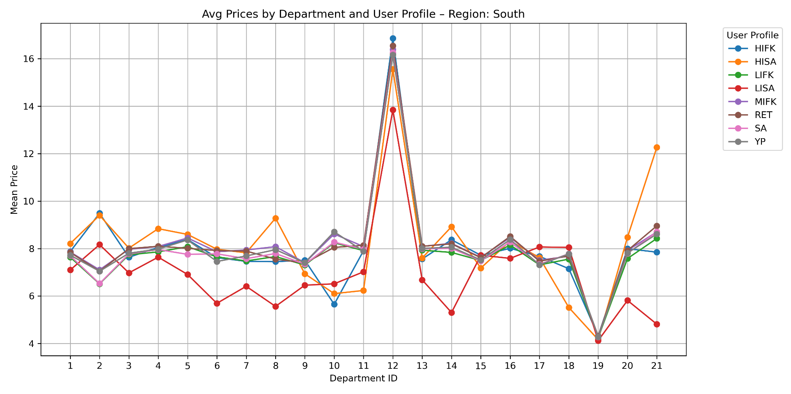

 |  |  | deaprtmnet_id | department
 |  |  | 1 | frozen
 |  |  | 2 | other
 |  |  | 3 | bakery
 |  |  | 4 | produce
 |  |  | 5 | alcohol
 |  |  | 6 | international
 |  |  | 7 | beverages
 |  |  | 8 | pets
 |  |  | 9 | dry goods pasta
 |  |  | 10 | bulk
 |  |  | 11 | personal care
 |  |  | 12 | meat seafood
 |  |  | 13 | pantry
 |  |  | 14 | breakfast
 |  |  | 15 | canned goods
 |  |  | 16 | dairy eggs
 |  |  | 17 | household
 |  |  | 18 | babies
 |  |  | 19 | snacks
 |  |  | 20 | deli
 |  |  | 21 | missing
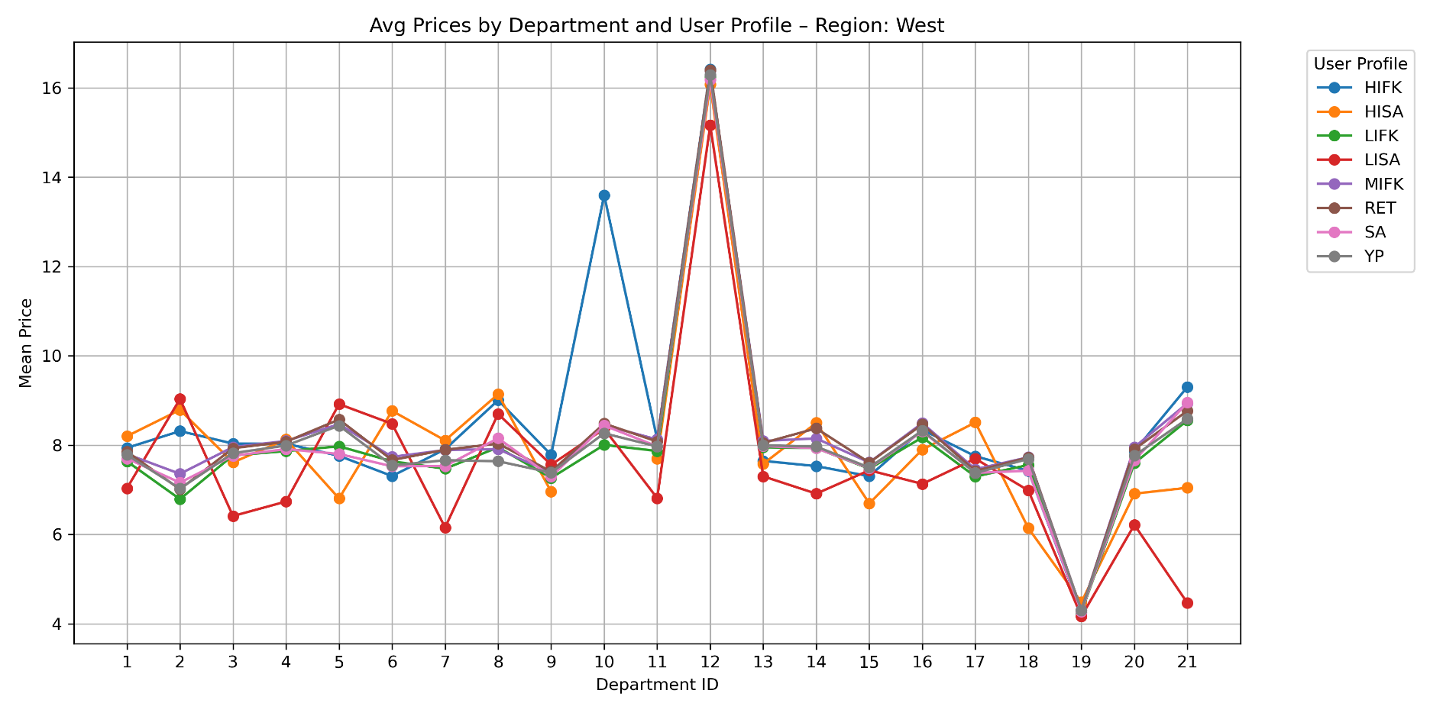
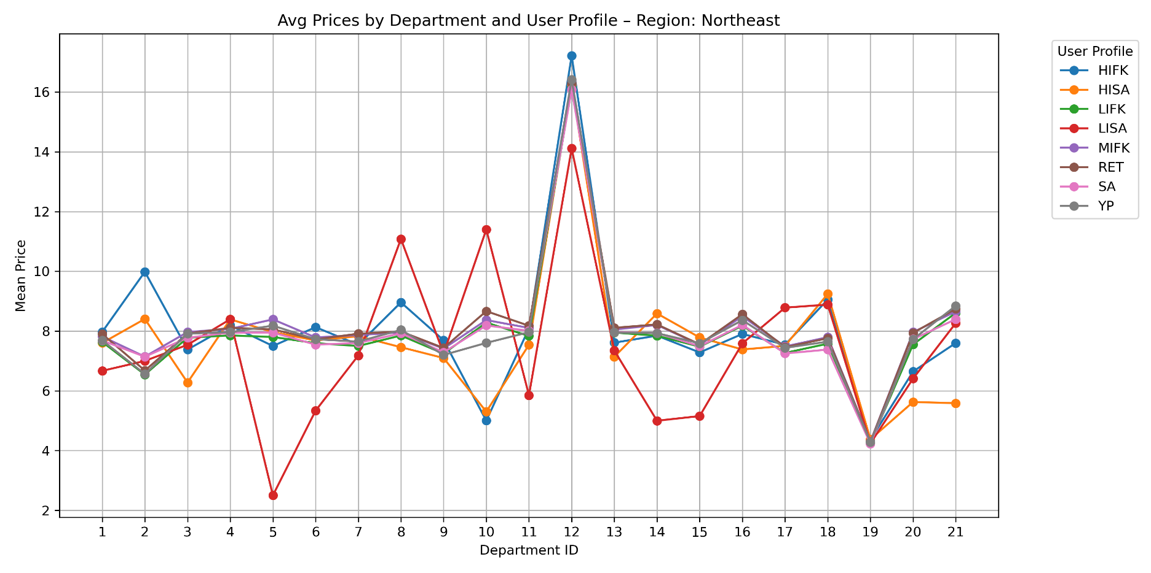

 | 1. Geographical analysis indicates that meat seafood category is popular among all region in all user profiles. 2. Customers in Midwest who are earning less than 100k and are single like to buy in bulk as where the same is the true for high income family with kids in West. 3. In Northwest, alchohol consumption is very low for the low income single adults compare to all other regions. These users also use less breakfast, canned goods and snacks items. 4. Many other categories are the performing similarly in all regions with various user groups.

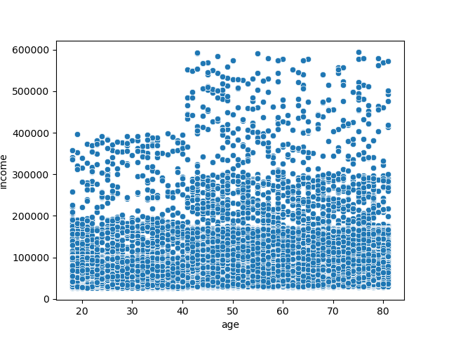


 | 5. There is no connection between customer buying habits and having number of dependents. Most customers have between 1-2 dependents. And their spending is not largely impacted by it. 6. It clearly impacts the category they shop in though. Like Single Adults are not shoping in baby category at all but many of them do shop in Pet category. 7. Age and Income has a directly co-relation. Most customers have income under 200k till 40 years of age. Only few are earing more than 200k. 8. However, after 40 years of age, many customers are seeing their income increasing within 200k to 300k range. And that comes with more buying power.

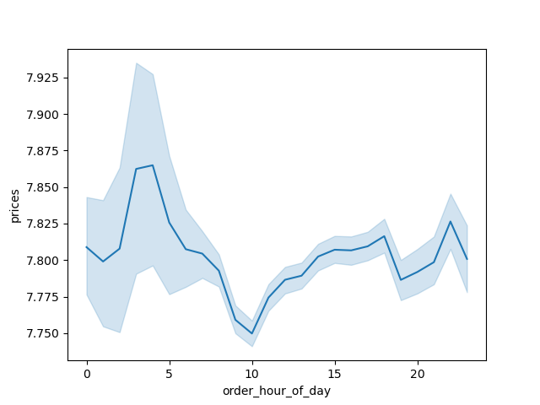
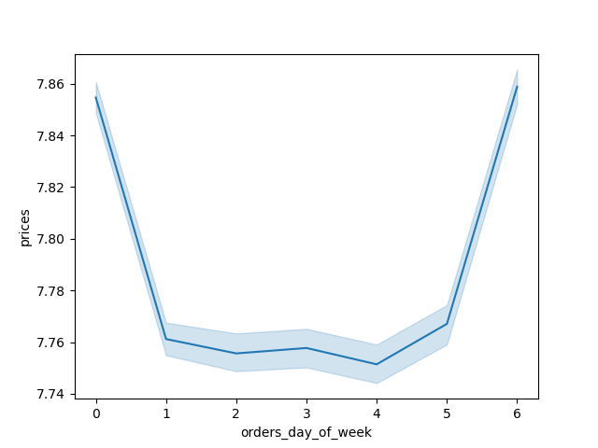

 | 9. Many customers are shopping high priced items around 4am and then again at 7pm and another spike comes around 10pm. 10. During the day time, customers are shopping with more deligence and regularly with many basic items. These hours are around 8am to 4pm. 11. Even within this window we can narrow down to 10am to 3pm timeframe where many customers are buying reasonable priced items or even items with discounts or roll-backs. 12. Customers shopping between Friday and Saturday spends the most amount compare to customers shopping from Sunday to Thursday. 13. Wednesday is the slowest day.




 | 14. These histograms clearly indicates the order freqency for the time of the day between 10am and 3pm. This time frame sees the highest amount of orders during the day. 15. Items costing less than $14 are more fequectly added into the cart by customers but items ranging from more than $15 to $25 are not that popular with most customers.

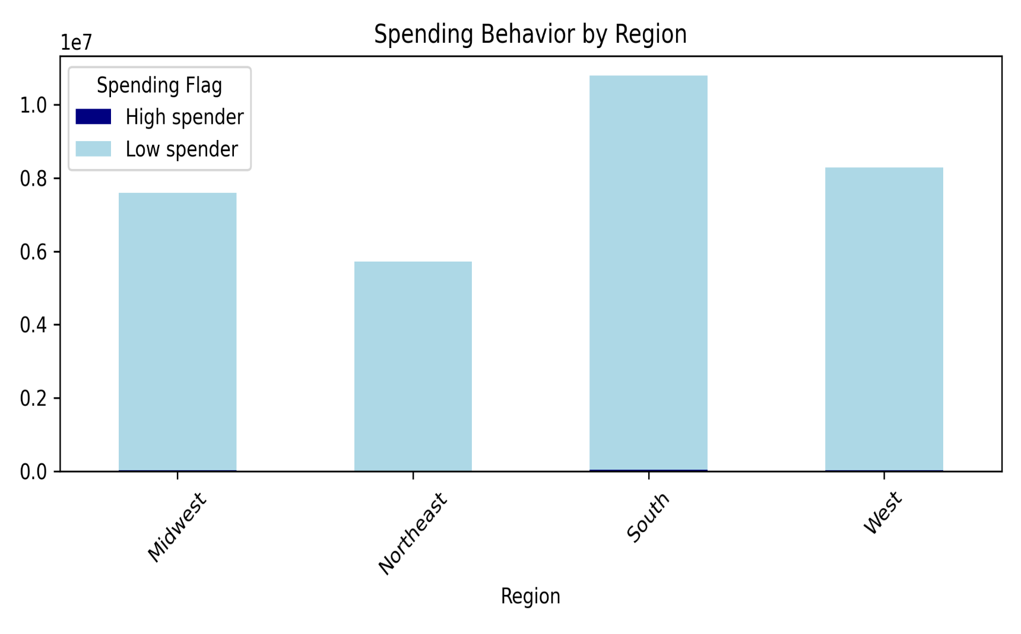


 | 16. There are nealy 15.8 million regular customers placing more orders than other two groups - loyal customers (with more than 50 orders) and new customers (with less than 10 orders). Threre are just over 10.2 million customers with more than 40 orders in the year. But the new customers with less than 10 orders are at little over 6.2 millions. 17. Customers spending average $10 or less per product are definitely higher than the ones spending $10 or more per product.

 | loyalty_flag
 | Regular customer |  | 15,876,776
 | Loyal customer |  | 10,284,093
 | New customer |  | 6,243,990

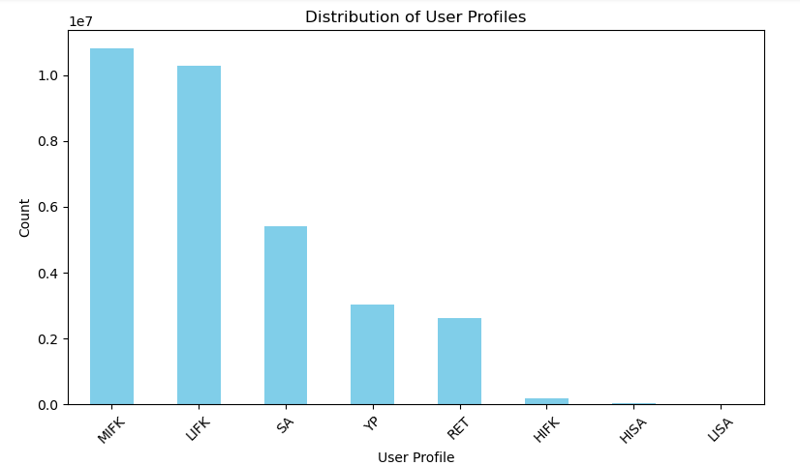
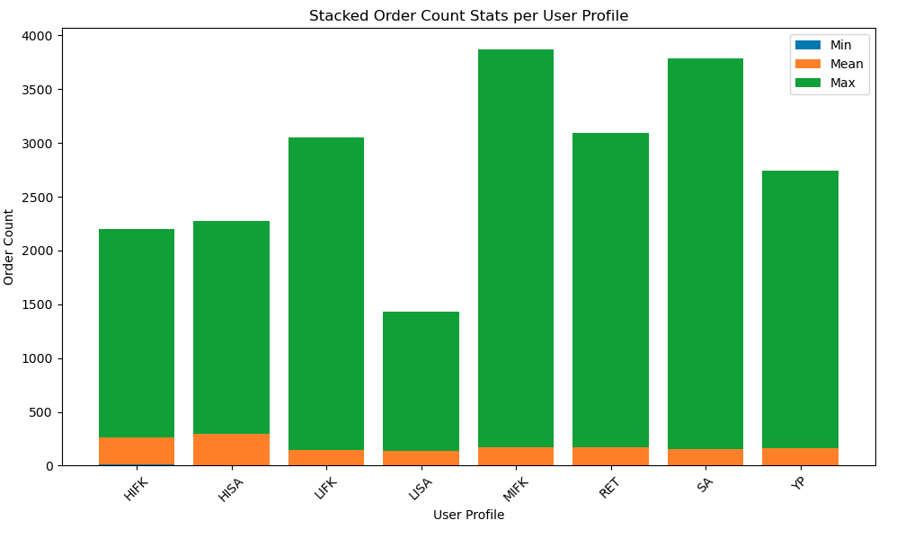

 |  | Profiles | Users
 |  | MIFK | 10,816,487
 |  | LIFK | 10,274,624
 |  | SA | 5,413,760
 |  | YP | 3,032,996
 |  | RET | 2,624,865
 |  | HIFK | 183,249
 |  | HISA | 39,226
 |  | LISA | 19,652

 |  | region | Spending flags
 |  | Midwest | High spender | 29,265
 |  |  | Low spender | 7,568,060
 |  | Northeast | High spender | 18,642
 |  |  | Low spender | 5,704,094
 |  | South | High spender | 40,579
 |  |  | Low spender | 10,751,306
 |  | West | High spender | 31,242
 |  |  | Low spender | 8,261,671

7. Recommendations
 |  |  |  |  |  | Title page

Recommendations

In this tab you should include any recommendations you would made to Instcart in terms of their marketing strategy based on the questions posed in the brief. Every key question has been covered in the Tasks of the Exercises - here you need to add an item - a visualisation or table/crosstable that is showing the answer in the data, acompanied by a comment from you. Please, list the questions below and add the answer underneath.

User Profiles Observations:
1. Convenience is the key for single adult irrespective of the income range. Young adults have been growing up with internet and like to shop online. This is the main demographic.
2. Retirees is not a key demographic for Instacart.
3. Young parents and High income family with kids are growing segments.

Recommendations:
1. New product finds with lighting deals that matches the purchsing patterns will attrack attention and more orders.
2. Offers restricted to Friday and Saturday with targeted promotions for the single adult group. This can divert the traffic to slow days and system doesn't have to experience the load.
3. For Young parent and HIFK categories, special promotions around kids food items and snacks can be attractive.

 | Profile code | Age | Dependent | Income | Users
Single Adult | SA | >= 18 | 0 | >=28,000 | 10,816,487.00
Low Income Single Adult | LISA | >=18 | 0 | <28,000 | 10,274,624.00
Young parent | YP | bet'n 18 & 25 | >=1 | >=28,000 | 5,413,760.00
High Income Single Adult | HISA | >=18 | 0 | >=200,000 | 3,032,996.00
High Income Family with Kids | HIFK | >=18 | >=1 | >=200,000 | 2,624,865.00
Low Income Family with kids | LIFK | >=18 | >=1 | <=100,000 | 183,249.00
Mid Income Family with kids | MIFK | >=18 | >=1 | bet' 100,000 & 200,000 | 39,226.00
Retirees | RET | >=58 | 0 | >=70,000 | 19,652.00

Spending Habits Observations:
1. Customers spending more than $10 per product is a very small fraction of total customers in all regions.
2. South has the most number of customers and that explains the higher amount in both category compare to other regions.
3. Most revenue is generated by regular customers who has between 10 to 40 orders.

Recommendations:
1. With inflation rising, more lightening deals will help push high spenders make bigger orders.
2. Tiered based pricing for customers purchasing same items on more frequent basis.
3. Discounts to be unlocked after spending certain amount of money on certain categories or making certain number of orders meeting qualifing criterias.

Regions | Spending by customers
Midwest | High spender | 29,265
Midwest | Low spender | 7,568,060
Northeast | High spender | 18,642
Northeast | Low spender | 5,704,094
South | High spender | 40,579
South | Low spender | 10,751,306
West | High spender | 31,242
West | Low spender | 8,261,671

Loyalty Indicator
Regular customer | 15,876,776.00
Loyal customer | 10,284,093.00
New customer | 6,243,990.00

